Sheet1
 | Production Lines |  |  |  |  | MINIMIZE
 | A | B | C | D | E | TOTAL
Start-up cost | 6000 | 10000 | 2000 | 7500 | 15000 | COST
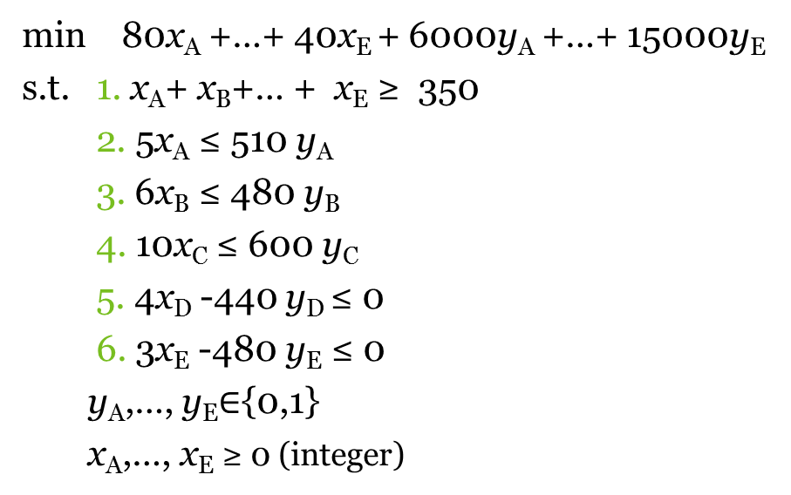
Cost/unit | 80 | 60 | 110 | 75 | 40 | 0

Start? (y) | 0 | 0 | 0 | 0 | 0 | Units produced total |  | minimum
Units produced (x) | 0 | 0 | 0 | 0 | 0 | 0 | >= | 350

Prod time in hours / unit | 5 | 6 | 10 | 4 | 3
Hours total | 0 | 0 | 0 | 0 | 0 | Legend
 | <= | <= | <= | <= | <= | Parameters
Hours available | 0 | 0 | 0 | 0 | 0 | Decision variables
Hours max | 510 | 480 | 600 | 440 | 480 | Formulas

